AAPL VPT
 | FY2010 | FY2011 | FY2012 | FY2013 | FY2014 | FY2015 | FY2015 | FY2016 | FY2016 | FY2017 | FY2017 | FY2018 | FY2018 | FY2019 | FY2019 | FY2020E | FY2020E | FY2021E | FY2021E | FY2022E | FY2022E | FY2023E | FY2023E | FY2024E
 | 2010-09-30 | 2011-09-30 | 2012-09-30 | 2013-09-30 | 2014-09-30 | 2015-09-30 | 2015-09-30 | 2016-09-30 | 2016-09-30 | 2017-09-30 | 2017-09-30 | 2018-09-30 | 2018-09-30 | 2019-09-30 | 2019-12-31 | 2020-09-30 | 2020-12-31 | 2021-09-30 | 2021-12-31 | 2022-09-30 | 2022-12-31 | 2023-09-30 | 2023-12-31 | 2024-09-30
 |  |  |  |  |  |  |  |  |  |  |  |  |  |  |  |  | Pre-FY-End Change |  | Pre-FY-End Change |  | Pre-FY-End Change |  | Pre-FY-End Change
Stock Price (USD) | 40.535714 | 54.474261 | 95.300713 | 68.107143 | 100.75 | 110.30001 | 110.30001 | 113.05001 | 113.05001 | 154.12 | 154.12 | 225.74001 | 225.74001 | 223.97001 | 293.64991 | 321.44996 | 321.44996 | 321.44996 | 321.44996 | 321.44996 | 321.44996 | 321.44996 | 321.44996 | 321.44996

Market Cap (USD) | 259,906M | 354,352M | 626,550M | 428,691M | 591,016M | 1,793,290M | 615,337M | 1,406,498M | 603,254M | 1,647,817M | 790,050M | 1,528,490M | 1,073,391M | 979,976M | 1,284,859M | 1,406,498M | 1,406,498M | 1,406,498M | 1,406,498M | 1,406,498M | 1,406,498M | 1,406,498M | 1,406,498M | 1,406,498M
AAPL Share Price | 41M | 54M | 95M | 68M | 101M | 321M | 110M | 321M | 113M | 321M | 154M | 321M | 226M | 224M | 294M | 321M | 321M | 321M | 321M | 321M | 321M | 321M | 321M | 321M
AAPL Shares | 6,412M | 6,505M | 6,574M | 6,294M | 5,866M | 5,579M | 5,579M | 4,375M | 5,336M | 5,126M | 5,126M | 4,755M | 4,755M | 4,375M | 4,375M | 4,375M | 4,375M | 4,375M | 4,375M | 4,375M | 4,375M | 4,375M | 4,375M | 4,375M
Total Debt (USD) | 0 | 0 | 0 | 16,960 | 35,295 | 64,462 | 64,328 | 87,032 | 87,032 | 115,680 | 115,680 | 114,483 | 114,483 | 108,047 |  | 108,933 |  | 108,933 |  | 108,933 |  | 108,933 |  | 108,933
Short-Term Debt and Long-Term Debt (Current) (USD) |  |  |  |  | 6,308 | 10,999 | 10,999 | 11,605 | 11,605 | 18,473 | 18,473 | 20,748 | 20,748 | 16,240 |  | 15,228 |  | 15,228 |  | 15,228 |  | 15,228 |  | 15,228
Capital Lease Obligations (USD) |  |  |  |  |  |  |  |  |  |  |  |  |  |  |  | 627 |  | 627 |  | 627 |  | 627 |  | 627
Long-Term Debt Ex Capital Leases (USD) | 0 | 0 | 0 | 16,960 | 28,987 | 53,463 | 53,329 | 75,427 | 75,427 | 97,207 | 97,207 | 93,735 | 93,735 | 91,807 |  | 93,078 |  | 93,078 |  | 93,078 |  | 93,078 |  | 93,078
Cash and Short-term Investments (USD) | 25,620 | 25,952 | 29,129 | 40,546 | 25,077 | 41,601 | 41,601 | 67,155 | 67,155 | 74,181 | 74,181 | 66,301 | 66,301 | 100,557 |  | 107,162 |  | 107,162 |  | 107,162 |  | 107,162 |  | 107,162
Cash and Cash Equivalents (USD) | 11,261 | 9,815 | 10,746 | 14,259 | 13,844 | 21,120 | 21,120 | 20,484 | 20,484 | 20,289 | 20,289 | 25,913 | 25,913 | 48,844 |  | 39,771 |  | 39,771 |  | 39,771 |  | 39,771 |  | 39,771
Short-Term Investments (USD) | 14,359 | 16,137 | 18,383 | 26,287 | 11,233 | 20,481 | 20,481 | 46,671 | 46,671 | 53,892 | 53,892 | 40,388 | 40,388 | 51,713 |  | 67,391 |  | 67,391 |  | 67,391 |  | 67,391 |  | 67,391
Other Debt/(Cash) Items (USD) | (25,391) | (55,618) | (92,122) | (106,215) | (130,162) | (164,065) | (164,065) | (170,430) | (170,430) | (194,714) | (194,714) | (170,799) | (170,799) | (105,341) |  | (99,899) |  | (99,899) |  | (99,899) |  | (99,899) |  | (99,899)
Net Debt (USD) | (51,011) | (81,570) | (121,251) | (129,801) | (119,944) | (141,204) | (141,338) | (150,553) | (150,553) | (153,215) | (153,215) | (122,617) | (122,617) | (97,851) |  | (98,128) |  | (98,128) |  | (98,128) |  | (98,128) |  | (98,128)
Minority Interest & Preferred Shares (USD)
Preferred Shares (USD)
Enterprise Value (USD) | 208,895 | 272,782 | 505,299 | 298,890 | 471,072 | 1,652,086 | 473,999 | 1,255,945 | 452,701 | 1,494,602 | 636,835 | 1,405,873 | 950,774 | 882,125 | 1,284,859 | 1,308,370 | 1,406,498 | 1,308,370 | 1,406,498 | 1,308,370 | 1,406,498 | 1,308,370 | 1,406,498 | 1,308,370
Total Shares Outstanding | 6,412 | 6,505 | 6,574 | 6,294 | 5,866 | 5,579 | 5,579 | 5,336 | 5,336 | 5,126 | 5,126 | 4,755 | 4,755 | 4,443 |  | 4,385 |  | 4,385 |  | 4,385 |  | 4,385 |  | 4,385

Valuation Metrics
EV/Sales | 3.2x | 2.5x | 3.2x | 1.7x | 2.6x | 2.0x | 2.0x | 2.1x | 2.1x | 2.8x | 2.8x | 3.6x | 3.6x | 3.4x | 4.4x | 4.6x | 4.8x | 4.2x | 4.5x | 4.0x | 4.2x | 3.7x | 4.0x | 3.6x
EV/Gross Profit | 8.1x | 6.2x | 7.4x | 4.6x | 6.7x | 5.1x | 5.1x | 5.4x | 5.4x | 7.2x | 7.2x | 9.3x | 9.3x | 9.1x | 11.7x | 11.9x | 12.5x | 11.0x | 11.6x | 10.4x | 10.9x | 9.7x | 10.3x | 9.2x
EV/EBIT | 11.4x | 8.1x | 9.1x | 6.1x | 9.0x | 6.7x | 6.7x | 7.5x | 7.5x | 10.4x | 10.4x | 13.4x | 13.4x | 14.0x | 18.0x | 18.5x | 19.4x | 17.0x | 18.0x | 16.1x | 17.0x | 15.1x | 16.1x | 14.7x
EV/EBITDA | 10.8x | 7.7x | 8.6x | 5.2x | 7.8x | 5.7x | 5.7x | 6.4x | 6.4x | 8.9x | 8.9x | 11.6x | 11.6x | 11.7x | 15.2x | 15.8x | 16.7x | 14.7x | 15.6x | 13.9x | 14.6x | 12.9x | 13.7x | 12.3x
EV/(EBITDA-Capex) | 12.1x | 9.7x | 10.3x | 6.1x | 9.3x | 6.7x | 6.7x | 7.9x | 7.8x | 10.8x | 10.8x | 13.9x | 13.9x | 13.6x |  | 18.3x | 19.3x | 17.2x | 18.2x | 16.2x | 17.0x | 14.6x | 15.4x | 13.6x
P/E | 18.7x | 13.8x | 15.1x | 12.0x | 15.6x | 12.0x | 12.0x | 13.6x | 13.6x | 16.7x | 16.7x | 19.0x | 19.0x | 18.8x | 23.2x | 23.1x | 22.4x | 20.5x | 19.9x | 18.5x | 18.5x | 18.3x | 18.0x | 17.2x
P/B | 5.4x | 4.6x | 5.3x | 3.5x | 5.3x | 5.2x | 5.2x | 4.7x | 4.7x | 5.9x | 5.9x | 10.0x | 10.0x | 11.0x |  | 18.6x |  | 19.2x |  | 32.6x
P/TB | 5.6x | 4.9x | 5.6x | 3.6x | 5.7x | 5.6x | 5.6x | 5.0x | 5.0x | 6.3x | 5.9x | 10.0x | 10.0x | 11.0x |  | 34.3x |  | 29.1x |  | 43.4x
FCF Yield (based on Market Cap) | 6.34% | 8.49% | 6.62% | 10.40% | 8.44% | 11.34% | 11.34% | 8.67% | 8.87% | 6.43% | 6.55% | 5.97% | 5.97% | 5.92% |  | 5.20% |  | 5.58% |  | 6.27% |  | 6.42% |  | 6.84%

Financial Summary
Total Revenue | 65,225 | 108,249 | 156,508 | 170,910 | 182,795 | 233,715 | 233,715 | 215,639 | 215,639 | 229,234 | 229,234 | 265,595 | 265,595 | 260,174 | 267,683 | 285,430 | 291,740 | 309,685 | 313,692 | 325,582 | 332,000 | 351,045 | 355,192 | 368,506
YoY Growth (%) | 52.02% | 65.96% | 44.58% | 9.20% | 6.95% | 27.86% | 27.86% | (7.73%) | (7.73%) | 6.30% | 6.30% | 15.86% | 15.86% | (2.04%) |  | 9.71% | 8.99% | 8.50% | 7.52% | 5.13% | 5.84% | 7.82% | 6.99% | 4.97%
Gross Profit | 25,684 | 43,818 | 68,662 | 64,304 | 70,537 | 93,626 | 93,626 | 84,263 | 84,263 | 88,186 | 88,186 | 101,839 | 101,839 | 98,392 | 101,578 | 109,745 | 112,220 | 119,263 | 120,998 | 126,147 | 128,461 | 135,328 | 137,066 | 142,612
Gross Margin (%) | 39.38% | 40.48% | 43.87% | 37.62% | 38.59% | 40.06% | 40.06% | 39.08% | 39.08% | 38.47% | 38.47% | 38.34% | 38.34% | 37.82% | 37.95% | 38.45% | 38.47% | 38.51% | 38.57% | 38.75% | 38.69% | 38.55% | 38.59% | 38.70%
EBIT - Adjusted | 18,385 | 33,790 | 55,241 | 48,999 | 52,503 | 71,230 | 71,230 | 60,024 | 60,024 | 61,344 | 61,344 | 70,898 | 70,898 | 63,930 | 66,153 | 70,777 | 72,351 | 76,827 | 77,957 | 81,310 | 82,618 | 86,500 | 87,144 | 89,300
EBIT Margin - Adjusted (%) | 28.19% | 31.22% | 35.30% | 28.67% | 28.72% | 30.48% | 30.48% | 27.84% | 27.84% | 26.76% | 26.76% | 26.69% | 26.69% | 24.57% | 24.71% | 24.80% | 24.80% | 24.81% | 24.85% | 24.97% | 24.88% | 24.64% | 24.53% | 24.23%
EBITDA - Adjusted | 19,412 | 35,604 | 58,518 | 58,009 | 60,449 | 82,487 | 82,487 | 70,529 | 70,529 | 71,501 | 71,501 | 81,801 | 81,801 | 76,477 | 78,121 | 82,625 | 84,249 | 88,841 | 90,229 | 94,349 | 96,040 | 101,060 | 102,305 | 106,290
EBITDA Margin - Adjusted (%) | 29.76% | 32.89% | 37.39% | 33.94% | 33.07% | 35.29% | 35.29% | 32.71% | 32.71% | 31.19% | 31.19% | 30.80% | 30.80% | 29.39% | 29.18% | 28.95% | 28.88% | 28.69% | 28.76% | 28.98% | 28.93% | 28.79% | 28.80% | 28.84%
Diluted EPS - Adjusted | 2.16 | 3.95 | 6.31 | 5.68 | 6.45 | 9.22 | 9.22 | 8.31 | 8.31 | 9.21 | 9.21 | 11.91 | 11.91 | 11.89 | 12.66 | 13.90 | 14.36 | 15.70 | 16.12 | 17.38 | 17.42 | 17.55 | 17.84 | 18.74
YoY Growth (%) | 140.85% | 82.71% | 59.50% | (9.96%) | 13.58% | 42.95% | 42.95% | (9.87%) | (9.87%) | 10.83% | 10.83% | 29.32% | 29.32% | (0.17%) |  | 16.90% | 13.45% | 12.96% | 12.26% | 10.67% | 8.05% | 1.00% | 2.39% | 6.78%
Book Value per share | 7.45 | 11.78 | 17.98 | 19.63 | 19.02 | 21.39 | 21.39 | 24.03 | 24.03 | 26.15 | 26.15 | 22.53 | 22.53 | 20.37 |  | 17.25 |  | 16.72 |  | 9.85
YoY Growth (%) | 48.38% | 58.02% | 52.66% | 9.17% | (3.12%) | 12.51% | 12.51% | 12.34% | 12.34% | 8.80% | 8.80% | (13.83%) | (13.83%) | (9.62%) |  | (15.28%) |  | (3.08%) |  | (41.11%)
Tangible Book Value per share | 7.28 | 11.10 | 17.17 | 18.71 | 17.52 | 19.78 | 19.78 | 22.42 | 22.42 | 24.59 | 26.15 | 22.53 | 22.53 | 20.37 |  | 9.37 |  | 11.05 |  | 7.41
YoY Growth (%) | 47.63% | 52.33% | 54.69% | 9.02% | (6.37%) | 12.88% | 12.88% | 13.34% | 13.34% | 9.67% | 16.64% | (13.83%) | (13.83%) | (9.62%) |  | (53.98%) |  | 17.95% |  | (32.97%)
FCF Per Share | 2.57 | 4.62 | 6.31 | 7.08 | 8.51 | 12.51 | 12.51 | 9.80 | 10.03 | 9.91 | 10.10 | 13.49 | 13.49 | 13.26 |  | 16.72 |  | 17.95 |  | 20.15 |  | 20.63 |  | 21.98
YoY Growth (%) | 80.90% | 79.96% | 36.37% | 12.35% | 20.08% | 47.04% | 47.04% | (21.68%) | (19.85%) | (1.15%) | 0.74% | 33.52% | 33.52% | (1.70%) |  | 26.16% |  | 7.32% |  | 12.29% |  | 2.37% |  | 6.54%
Dividend Per Share | 0.00 | 0.00 | 0.38 | 1.63 | 1.81 | 1.98 | 1.98 | 2.18 | 2.18 | 2.40 | 2.40 | 2.72 | 2.72 | 3.00 | 3.04 | 3.20 | 3.26 | 3.44 | 3.50 | 3.70 | 3.65 | 3.49 | 3.52 | 3.60
YoY Growth (%) |  |  |  | 330.19% | 11.23% | 9.30% | 9.30% | 10.10% | 10.10% | 10.09% | 10.09% | 13.33% | 13.33% | 10.29% |  | 6.80% | 7.40% | 7.27% | 7.32% | 7.71% | 4.13% | (5.73%) | (3.65%) | 3.15%
Return on Equity (ROE) | 35.28% | 41.67% | 42.84% | 30.64% | 33.61% | 46.25% | 46.25% | 36.90% | 36.90% | 36.87% | 36.87% | 49.36% | 49.36% | 55.92% | 64.25% | 72.52% | 62.00% | 99.37% | 126.09% | 144.40%
Return on Assets (ROA) | 23.13% | 27.33% | 28.70% | 19.38% | 18.01% | 20.54% | 20.54% | 15.04% | 15.04% | 13.92% | 14.39% | 17.23% | 17.23% | 17.00% | 16.89% | 18.44% |  | 20.83% |  | 23.81%
Return on Invested Capital (ROIC) | 44.55% | 50.17% | 45.03% | 22.68% | 22.52% | 29.88% | 29.89% | 19.79% | 19.79% | 17.71% | 17.71% | 22.83% | 22.83% | 25.12% | 28.26%

WACC |  |  |  |  |  |  |  |  |  |  |  |  | Discounted Cash Flow Model
Total Capital = Debt + Equity WACC = (Equity / Total Capital) * CoE + (Debt / Total Capital) * CoD * (1 - Tax Rate) |  |  |  |  |  |  |  |  |  |  |  |  | Period | FY2020E | FY2021E | FY2022E | FY2023E | FY2024E | Terminal Value
CoD = Cost of Debt |  |  |  |  |  |  |  |  |  |  |  |  | Cash Flows Per Share | 16.72 | 17.95 | 20.15 | 20.63 | 21.98
CoE = Cost of Equity |  |  |  |  |  |  |  |  |  |  |  |  | Shares Outstanding | 4375500000 | 4375500000 | 4375500000 | 4375500000 | 4375500000
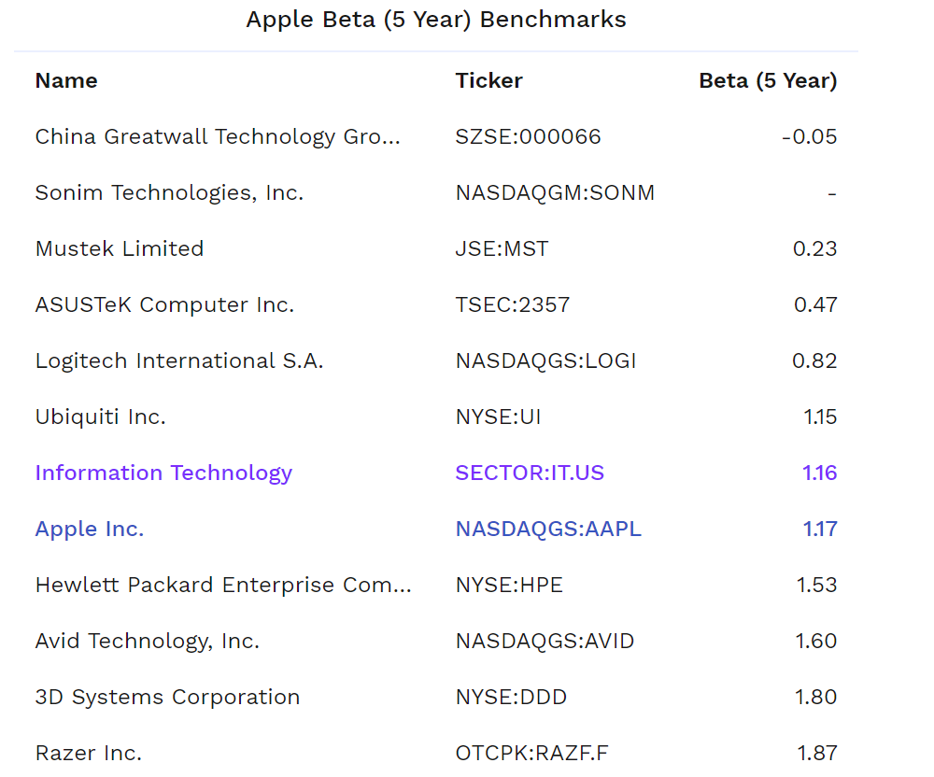
Total Equity | 1,274,000,000,000 |  |  |  |  |  |  |  |  |  |  |  | FCF | 73,171,486,500 | 78,527,098,500 | 88,179,451,500 | 90,266,565,000 | 96,173,490,000 | 1,304,699,159,573
Total Debt | 118,761,000,000 |  |  |  |  |  |  |  |  |  |  |  | Discount Rate | 9.37% | 9.37% | 9.37% | 9.37% | 9.37%
 |  |  |  |  |  |  |  |  |  |  |  |  | NPV of Cash Flow | 66,314,355,721 | 64,498,691,527 | 65,639,372,858 | 60,896,120,043 | 58,800,871,037 | 797,698,482,447
Long-Term Debt | 89,086.00
Total Shareholder Equity | 78,425,000,000
Total Capital | 78,425,089,086

 |  |  |  |  |  |  |  |  |  |  |  |  | WACC | 9.37%
Risk Free Rate | 0.64% |  |  |  |  |  |  |  |  |  |  |  | Terminal Growth | 2.00%
Beta Zacks Estimate | 1.171
Beta Finbox Estimate | 1.17
Beta CNBC Estimate | 1.17 |  |  |  |  |  | Apple Inc.'s Beta (5 Year) of 1.17 ranks in the 51.0% percentile for the sector
Beta | 1.17 |  |  |  |  |  |  |  |  |  |  |  | Sum of Present Values | 1,113,847,893,634
Equity Risk Premium |  |  |  |  |  |  |  |  |  |  |  |  | Minus Debt | 118,761,000,000
Expected Return | 0.64% |  |  |  |  |  |  |  |  |  |  |  | Add Cash | 100,557,000,000
 |  |  |  |  |  |  |  |  |  |  |  |  | Value of Company | 1,095,643,893,634
Cost of Equity | 10.00% |  |  |  |  |  |  |  |  |  |  |  | Number of Shares | 4,375,500,000
Cost of Debt | 3.10% |  |  |  |  |  |  |  |  |  |  |  | Valuation | 250.4
 |  |  |  |  |  |  |  |  |  |  |  |  | Actual Valuation | 289.1
Market value total equity/Total market value of the company’s combined debt and equity | 0.91
Market value total equity/Total market value of the company’s combined debt and equity * Cost of Equity | 0.09 |  |  |  |  |  |  |  |  |  |  |  | Status | 15.4% | OVERVALUED
Market value total equity/Total market value of the company’s combined debt and equity | 0.09 |  |  |  |  |  |  |  |  |  |  |  | Action | SELL
Market value total debt/Total market value of the company’s combined debt and equity * Cost of Debt | 0.00

Tax Rate | 21.00%
1-Tax Rate | 79.00%

WACC | 9.37%

